Coded Values
Image 1: Prohibited Characters | Table 1: |  | Table 2: |  | Table 3: |  | Table 4:
Exceptions: 1. Part# special character restrictions included as in AutoCare standards except for ]. 2. Restriction on Special characters < > @ are not removed as they are impacted in XML imports. | Price UOM |  | Curency Codes |  | PriceBreakQTY UOM |  | PriceType
 | Code | Description | Code | Description | Code | Description | Code | Description
 | HF | Per 100 Feet | CAD | Canadian Dollar | 15 | Stick | AC1 | Special Additional Cost 1
 | HP | Price per 100 | CNY | China Yuan Renminbi | AS | Assortment | AC2 | Special Additional Cost 2
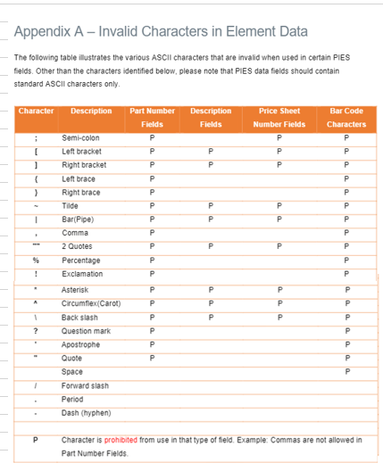
 | PD | Price per Dozen | EUR | European EURO | BC | Bucket | CC1 | Core Cost
 | PE | Price per Each | GBP | United Kingdom Pound Sterling | BD | Bundle | CR1 | Core 1
 | PF | Price per Foot | HKD | Hong Kong Dollar | BG | Bag | CR2 | Core 2
 | PK | Price per Kilogram | MXN | Mexican Pesos | BK | Book | CR3 | Core 3
 | PL | Price per Liter | USD | U.S. Dollar | BO | Bottle | CR4 | Core 4
 | PO | Price per Ounce | XBA | European Composite Unit | BX | Box | CR5 | Core 5
 | PP | Price per Pound | XBB | European Monetary Unit | CA | Case | CR6 | Core 6
 | PY | Price per Yard |  |  | CG | Card | CR7 | Core 7
 |  |  |  |  | CH | Container | CR8 | Core 8
 |  |  |  |  | CN | Can | CR9 | Core 9
 |  |  |  |  | CP | Crate | CRA | Core 10
 |  |  |  |  | CQ | Cartridge | CRB | Core 11
 |  |  |  |  | CT | Carton | CRC | Core 12
 |  |  |  |  | CX | Coil | CRD | Core 13
 |  |  |  |  | DR | Drum | CRE | Core 14
 |  |  |  |  | DZ | Dozen | CRF | Core 15
 |  |  |  |  | EA | Each | CRG | Good Core
 |  |  |  |  | EV | Envelope | CRJ | Jobber Core
 |  |  |  |  | FN | Clamshell | CRW | WD Core
 |  |  |  |  | FT | Foot | CWD | WD Cost
 |  |  |  |  | GA | Gallon | DLR | Dealer
 |  |  |  |  | HC | Hundred Count | DLN | Non-Stock Dealer
 |  |  |  |  | HU | Hundred | DLV | Volume Dealer
 |  |  |  |  | JR | Jar | FLT | Fleet
 |  |  |  |  | KE | Keg | INM | Master Installer
 |  |  |  |  | KG | Kilogram | INN | NS Installer
 |  |  |  |  | KT | Kit | INP | Installer Preferred
 |  |  |  |  | LB | Pound | INS | Stocking Installer
 |  |  |  |  | LT | Liter | JBC | Conf-Jobber
 |  |  |  |  | MR | Meter | JBN | NS Jobber
 |  |  |  |  | OP | Two Pack | JBR | Jobber
 |  |  |  |  | PA | Pail | LST | List
 |  |  |  |  | PC | Piece | MEC | Mechanic
 |  |  |  |  | PF | Pallet | PKP | Pickup
 |  |  |  |  | PH | Pack (PAK) | PRO | Special Promo
 |  |  |  |  | PK | Package | PP1 | Pack Level 1 Price
 |  |  |  |  | PL | Pallet Unit Load | PP2 | Pack Level 2 Price
 |  |  |  |  | PR | Pair | PP3 | Pack Level 3 Price
 |  |  |  |  | PT | Pint | PP4 | Pack Level 4 Price
 |  |  |  |  | QT | Quart | PP5 | Pack Level 5 Price
 |  |  |  |  | RD | Rod | PP6 | Pack Level 6 Price
 |  |  |  |  | RE | Reel | PP7 | Pack Level 7 Price
 |  |  |  |  | RL | Roll | PP8 | Pack Level 8 Price
 |  |  |  |  | SH | Sheet | QOT | Quote
 |  |  |  |  | SL | Sleeve | QPB | Quantity Price Break
 |  |  |  |  | SO | Spool | RAC | Racer
 |  |  |  |  | ST | Set | RET | Retail
 |  |  |  |  | TB | Tube | RMP | Retail MAP
 |  |  |  |  | TH | Thousand | TRD | Trade
 |  |  |  |  | TY | Tray | UNL | Unilateral Price
 |  |  |  |  |  |  | USR | User
 |  |  |  |  |  |  | WD1 | Distributor
 |  |  |  |  |  |  | WDP | Master Wholesale Distributor Price
 |  |  |  |  |  |  | WLS | Wholesaler
 |  |  |  |  |  |  | WMP | Wholesale MAP
 |  |  |  |  |  |  | WVP | Wholesale Unilateral Price
 |  |  |  |  |  |  | ZZ1 | User Defined
 |  |  |  |  |  |  | ZZ2 | User Defined
 |  |  |  |  |  |  | ZZ3 | User Defined
 |  |  |  |  |  |  | ZZ4 | User Defined
 |  |  |  |  |  |  | ZZ5 | User Defined
 |  |  |  |  |  |  | ZZ6 | User Defined
 |  |  |  |  |  |  | ZZ7 | User Defined
 |  |  |  |  |  |  | ZZ8 | User Defined
 |  |  |  |  |  |  | ZZ9 | User Defined
 |  |  |  |  |  |  | ZZA | User Defined
 |  |  |  |  |  |  | ZZB | User Defined
 |  |  |  |  |  |  | ZZC | User Defined
 |  |  |  |  |  |  | ZZD | User Defined
 |  |  |  |  |  |  | ZZE | User Defined
 |  |  |  |  |  |  | ZZF | User Defined

